Sheet1
 |  | Demographic, Addresses, Transactions

Yes
 |  | Module 1 | … | Module 2 |  | ... | ... | ... | ... | (Optional)
Phase 1: | Exploration | Data Gathering | Data Cleaning | Data Transformation |  | Feature Engineering | Preprocessing with all features | Feature Extraction | Data Exploration | Dashboard Visualization on Training data
 |  |  | (replace/ remove missing data, remove outliers, noises, inconsistencies, remove duplicates, filter outliers, etc.) | ( Pivot, discretization/ binning (fixed width / quantile-based, aggregation, log/ quantile transform to reduce sknewness, split columns, etc.) |  | ( Customers age, generation, order_profit, recency, frequency, loyalty, time-series features, etc.) | (Comebine all datasets, drop irrelevant columns, Normalization (L1/L2)/ Scaling, get dummies) | ( Dimension reduction - PCA, Feature Importances) | ( Check data skewness, Stats, Correlations, Distribution, Clutering, etc.) | ( 3 dashboards: Customers, Purchases, Time-series)
 |  | … | … | … |  | … | … |  | …
No
Phase 2: | Model Development | Rescale remaining features | PyCaret Highlevel test | Models training and testing |  | Models Evaluation & Comparison | Best Model Selection & Tuning | Need more features ? | Deploy and Serve Model (Optional)
 |  |  | (Classification, Logistic Regression) | (Train-test split) |  | (K-fold cross validation, Confusion matrix, accuracy, recall, precision, F1 score, AUC/ROC) | (Gridsearch tuning)
 |  | Module 3 | …
Phase 3: | Results Interpretation | Results Evaluation on New Customer set | Dashboard Visualizations
 |  |  | (Power BI)

 |  |  | Report

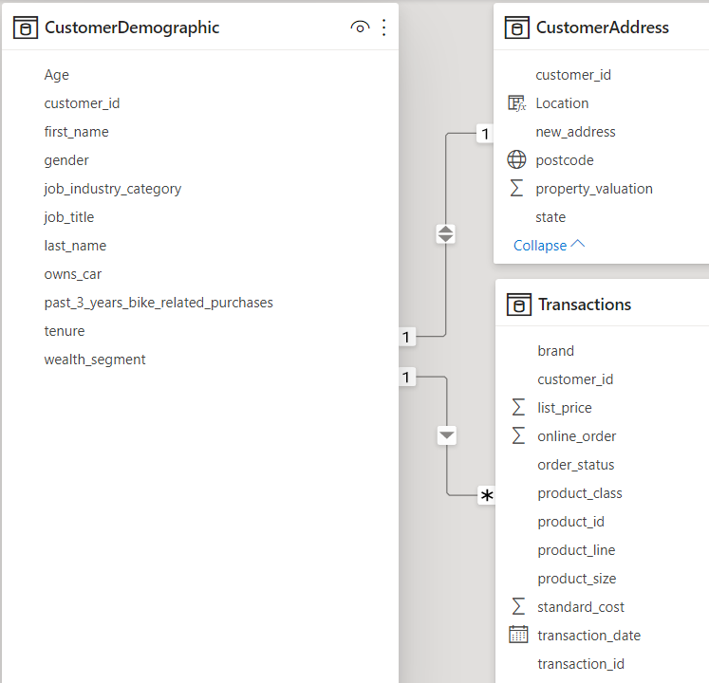
 |  |  |  | Transformation | https://towardsdatascience.com/feature-transformation-for-multiple-linear-regression-in-python-8648ddf070b8
 |  |  |  | Pivot table: | https://pandas.pydata.org/docs/user_guide/reshaping.html
 |  |  |  | Binning: | https://pbpython.com/pandas-qcut-cut.html
 |  |  |  | Aggregation: | https://pandas.pydata.org/pandas-docs/stable/reference/api/pandas.DataFrame.aggregate.html
 |  |  |  | Transform methods: | https://www.marsja.se/transform-skewed-data-using-square-root-log-box-cox-methods-in-python/

